Legend, definitions & instr
Main Objective

Calculate the demand for Service Center and HMH's capacity, ensuring the predictability needed to meet projects and to enable decisions to be made in advance.

Type | Definition

Firm | Projects with PO, or in other words, backlog
Risk Release | Forecasted projects, but evaluated in LOB to be as firm that it is initiated even with a PO
Forecast | Forecasted projects, in budget, however still not certain.
Avg hours per Phase | Average time consumption in hours expected per phase (considering transactional projects)
Avr Lead time per Phase | Average time consumption in mothns expected per phase (considering transactional projects)

Legends | FCTS | Forecast
 | FIRM | Backlog (with PO)

The Ideal Design

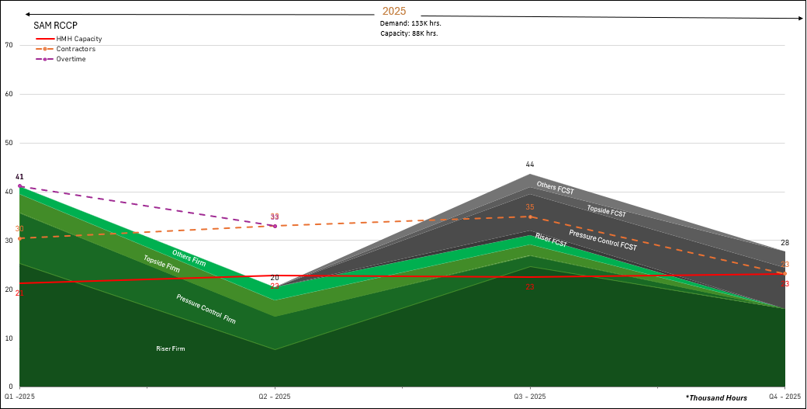

RCCP Service Center - Premises / Rules

Demand Control | In this table, need to fill all projects and your informations.
 | In this table, have all months of the year, need to be distributed the total hours per total lead time, the formula is: (Avg Hours per Phase (Hours) * Quantity) / Avg Lead time Phase (Months).
 | We need to pay attention to filling the demand from the "start month".
 | In the demand table of the tab "RCCP SAM" is automatic, not need to fill.
Capacity Control | Need to calculate the capacity in relation of the workdays.
 | Overtime only occurs when demand is greater than capacity.
 | HMH capacity is calculated on one line, contractors on another and we have unavailable, which is a vacation reference value.
RCCP - Graphic | When filling in the data, you need to insert a text box with white letters in the RCCP graphic and enter the product line of the area.
 | The Graphic is automatized, we need only to fill the demand and capacity.
 | The Graphic have your values in thousand hours.

Projects Control
The table below it's necessary to fill all projects and your informations.

Distribution of Demand in hours
Calculations sources: | Definitions
Firm, Risk Release or Forecast | The distribution of hours is as below:

 | (Avg Hours per Phase (Hours) * Quantity) / Avg Lead time Phase (Months)

 | Ex: H-4 Connector
 | Avg Hours per Phase (Hours) | 968
 | Quantity | 2
 | Avg Lead time Phase (Months) | 4
 | Start Month | January
 | 2025
 | Jan | Fev | March | Apr
 | 484 | 484 | 484 | 484
 | Note: Important to understand that this result need to be spread according to the lead time

Capacity Calculation in Hours
Calculations resources: | Definitions
HMH employee and contractors | For calculation HMH employees we use the formula below:

 | Operational Hours = ((Resource quantity)*(total workdays on the quarter) *(85% of total hours per day) - (Unavailable Hours))
 | For calculation Contractors employees we use the formula below:

 | Operational Hours = ((Resource quantity)*(total workdays on the quarter) *(85% of total hours per day) + (HMH Capacity))
 | For calculation Unavailable Hours, we use the formula below:

 | Total Unavailable Hours = {((Resource quantity)/4 [quantity quarter in one year])*(85% of total hours per day)*(average workdays per quarter in one year) + (offshore recovery Hours)}

Standard List - Project Overview Tab
Type | Product Line | Project Scope | Project Phase | Project Status | Month | Year | Report Location | Equipment
Firm | Pressure Control | FPA | D&I | Waiting PO | January-24 | 2024 | Kintore | H4 Connector
Forecast | Topside | Transactional | Repair | Waiting Parts | February-24 | 2025 | Kristiansand | Bonnet
Risk Release | Riser | Short Cycle | T&A | WIP | March-24 | 2026 | Baku | BOP Annular
N/A | Offshore | Offshore | FPA | Concluded | April-24 | 2027 | Erkelenz | Annular Piston
 | Others |  | CSA | N/A | May-24 | 2028 | Lyngdal | Male Stab
 |  |  | TCO | Waiting Requested | June-24 |  | Houston | Female Stab
 |  |  | Manufacturing |  | July-24 |  | Mobile | Test Stump
 |  |  | N/A |  | August-24 |  | UAE | Diverter
 |  |  |  |  | September-24 |  | Macae | Ram Block
 |  |  |  |  | October-24 |  | Singapore | Ram BOP
 |  |  |  |  | November-24 |  | Brisbane | Telescopic Joint - QTR-3500
 |  |  |  |  | December-24 |  |  | Telescopic Joint - MR6H
 |  |  |  |  | January-25 |  |  | Riser Joint - QTR-3500
 |  |  |  |  | February-25 |  |  | Riser Joint - LK - 3.5
 |  |  |  |  | March-25 |  |  | Riser Joint - FT - H
 |  |  |  |  | April-25 |  |  | DDM
 |  |  |  |  | May-25 |  |  | Dolly
 |  |  |  |  | June-25 |  |  | BRC Gripper Head
 |  |  |  |  | July-25 |  |  | LGA Guide Head
 |  |  |  |  | August-25 |  |  | Travelling Block
 |  |  |  |  | September-25 |  |  | Rocker Arm
 |  |  |  |  | October-25 |  |  | Crown Block (Sheave Cluster)
 |  |  |  |  | November-25 |  |  | Drawworks Callipers (MB)
 |  |  |  |  | December-25 |  |  | Drawworks Callipers (BKB)
 |  |  |  |  | January-26 |  |  | Offshore
...

RCCP SAM
 | Riser Firm | Pressure Control Firm | Topside Firm | Offshore & Other Firm | Riser Risk Release | Pressure Control Risk Release | Topside Risk Release | Offshore & Other Risk Release | Riser Forecast | Pressure Control Forecast | Topside Forecast | Offshore & Other Forecast
Q4 - 2025 | 30887 | 7360 | 3171 | 1310 | 0 | 0 | 0 | 0 | 0 | 0 | 0 | 0
Q1 - 2026 | 29804 | 4152 | 3268 | 1140 | 0 | 0 | 0 | 0 | 300 | 1251 | 1682 | 840
Q2 - 2026 | 8602 | 556 | 586 | 260 | 0 | 0 | 0 | 0 | 0 | 3920 | 6560 | 1390
Q3 - 2026 | 10677 | 0 | 0 | 0 | 0 | 0 | 0 | 0 | 8251 | 4344 | 3325 | 1980
Q4 - 2026 | 14615 | 0 | 0 | 0 | 0 | 0 | 0 | 0 | 10751 | 2609 | 2117 | 1980
Q1 - 2027 | 8228 | 0 | 0 | 0 | 0 | 0 | 0 | 0 | 0 | 1500 | 1083 | 0
Q2 - 2027 | 7865 | 0 | 0 | 0 | 0 | 0 | 0 | 0 | 0 | 1000 | 833 | 0
Q3 - 2027 | 9092 | 0 | 0 | 0 | 0 | 0 | 0 | 0 | 0 | 0 | 0 | 0
Q4 - 2027 | 13062 | 0 | 0 | 0 | 0 | 0 | 0 | 0 | 0 | 0 | 0 | 0

 |  |  |  |  |  |  |  |  |  |  |  |  |  |  |  |  |  |  | CATEGORY | 2025 Demand | 2026 Demand | 2027 Demand
 |  |  |  |  |  |  |  |  |  |  |  |  |  |  |  |  |  |  | O&R RISER FIRM | 83 | 64 | 38
August-27 | September-27 | October-27 | November-27 | December-27 |  |  |  |  |  |  |  |  |  |  |  |  |  |  | O&R RISER RISK RELEASE | 0 | 0 | 0
0 | 0 | 0 | 0 | 0 |  |  |  |  |  |  |  |  |  |  |  |  |  |  | O&R RISER FCST | 0 | 19 | 0
0 | 0 | 0 | 0 | 0 |  |  |  |  |  |  |  |  |  |  |  |  |  |  | O&R RISER TOTAL Hrs. | 83 | 83 | 38
0 | 0 | 0 | 0 | 0 |  |  |  |  |  |  |  |  |  |  |  |  |  |  | O&R TOPSIDE FIRM | 24 | 4 | 0
0 | 0 | 0 | 0 | 0 |  |  |  |  |  |  |  |  |  |  |  |  |  |  | O&R TOPSIDE RISK RELEASE | 0 | 0 | 0
0 | 0 | 0 | 0 | 0 |  |  |  |  |  |  |  |  |  |  |  |  |  |  | O&R TOPSIDE FCST | 0 | 14 | 2
0 | 0 | 0 | 0 | 0 |  |  |  |  |  |  |  |  |  |  |  |  |  |  | O&R TOPSIDE TOTAL Hrs. | 24 | 18 | 2
0 | 0 | 0 | 0 | 0 |  |  |  |  |  |  |  |  |  |  |  |  |  |  | O&R PRESSURE CONTROL FIRM | 29 | 5 | 0
0 | 0 | 0 | 0 | 0 |  |  |  |  |  |  |  |  |  |  |  |  |  |  | O&R PRESSURE CONTROL RISK RELEASE | 0 | 0 | 0
0 | 0 | 0 | 0 | 0 |  |  |  |  |  |  |  |  |  |  |  |  |  |  | O&R PRESSURE CONTROL FCST | 0 | 12 | 3
0 | 0 | 0 | 0 | 0 |  |  |  |  |  |  |  |  |  |  |  |  |  |  | O&R PRESSURE CONTROL TOTAL Hrs. | 29 | 17 | 3
0 | 0 | 0 | 0 | 0 |  |  |  |  |  |  |  |  |  |  |  |  |  |  | OTHERS FIRM | 8 | 1 | 0
0 | 0 | 0 | 0 | 0 |  |  |  |  |  |  |  |  |  |  |  |  |  |  | O&R OTHERS RISK RELEASE | 0 | 0 | 0
0 | 0 | 0 | 0 | 0 |  |  |  |  |  |  |  |  |  |  |  |  |  |  | OTHERS FCST | 0 | 6 | 0
0 | 0 | 0 | 0 | 0 |  |  |  |  |  |  |  |  |  |  |  |  |  |  | OTHERS TOTAL Hrs. | 8 | 8 | 0
0 | 0 | 0 | 0 | 0 |  |  |  |  |  |  |  |  |  |  |  |  |  |  | TOTAL Hrs. | 144 | 125 | 43
0 | 0 | 0 | 0 | 0
0 | 0 | 0 | 0 | 0 |  |  |  |  |  |  |  |  |  |  |  |  |  |  | Current Workshop Capacity per quarter | Headcount | Total Hours
0 | 0 | 0 | 0 | 0 |  |  |  |  |  |  |  |  |  |  |  |  |  |  | HMH Operational Employees | 55 | 19631
0 | 0 | 0 | 0 | 0 |  |  |  |  |  |  |  |  |  |  |  |  |  |  | Sub Contractors | 44 | 17506
0 | 0 | 0 | 0 | 0 |  |  |  |  |  |  |  |  |  |  |  |  |  |  | Total Employees | 99 | 37136
0 | 0 | 0 | 0 | 0
0 | 0 | 0 | 0 | 0
0 | 0 | 0 | 0 | 0
0 | 0 | 0 | 0 | 0
0 | 0 | 0 | 0 | 0
0 | 0 | 0 | 0 | 0
0 | 0 | 0 | 0 | 0
0 | 0 | 0 | 0 | 0
0 | 0 | 0 | 0 | 0
0 | 0 | 0 | 0 | 0
0 | 0 | 0 | 0 | 0
0 | 0 | 0 | 0 | 0
0 | 0 | 0 | 0 | 0
0 | 0 | 0 | 0 | 0
0 | 0 | 0 | 0 | 0
0 | 0 | 0 | 0 | 0 | Consolidate Demand per Quarter
3091 | 3550 | 8082 | 4320 | 660 |  | 2024 | 2025 |  |  |  | 2026 |  |  |  | 2027
0 | 0 | 0 | 0 | 0 | Status | Q4 - 2024 | Q1 -2025 | Q2 - 2025 | Q3 - 2025 | Q4 - 2025 | Q1 - 2026 | Q2 - 2026 | Q3 - 2026 | Q4 - 2026 | Q1 - 2027 | Q2 - 2027 | Q3 - 2027 | Q4 - 2027
0 | 0 | 0 | 0 | 0 | Riser Firm | 28597 | 21295 | 5727 | 25058 | 30887 | 29804 | 8602 | 10677 | 14615 | 8228 | 7865 | 9092 | 13062
0 | 0 | 0 | 0 | 0 | Pressure Control Firm | 6500 | 10302 | 6669 | 5129 | 7360 | 4152 | 556 | 0 | 0 | 0 | 0 | 0 | 0
...

